Part 1
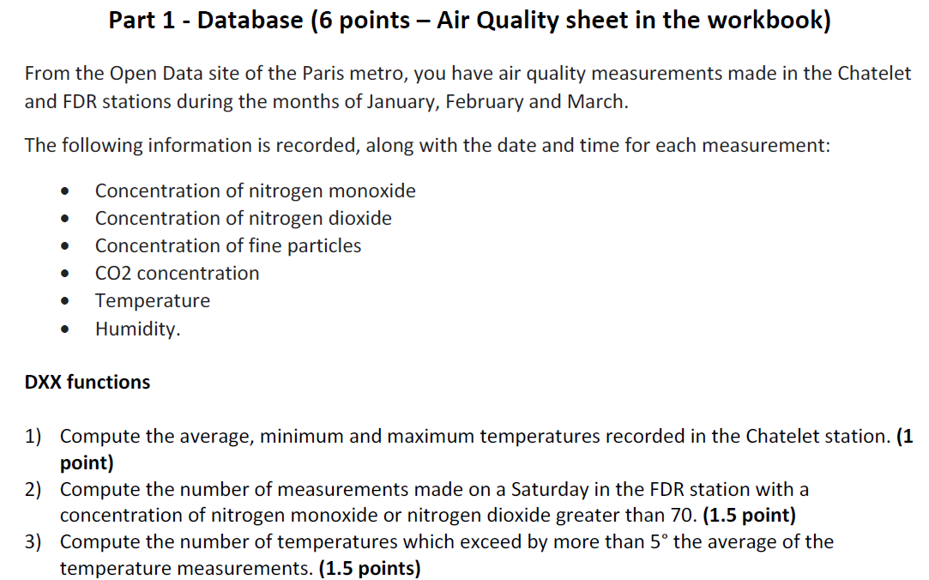

1) | Station
 | Chatelet

Moyenne | 18.6 | =BDMOYENNE(AirQuality!$A$3:$J$1740;AirQuality!$H$3;$M$3:$M$4)
Min | 10.5 | =BDMIN(AirQuality!$A$3:$J$1740;AirQuality!$H$3;$M$3:$M$4)
Max | 23.5 | =BDMAX(AirQuality!$A$3:$J$1740;AirQuality!$H$3;$M$3:$M$4)

Moyenne | 18.6 | =MOYENNE.SI.ENS(AirQuality!$H:$H;AirQuality!$A:$A;"Chatelet")
Min | 10.5 | =MIN.SI.ENS(AirQuality!$H:$H;AirQuality!$A:$A;"Chatelet")
Max | 23.5 | =MAX.SI.ENS(AirQuality!$H:$H;AirQuality!$A:$A;"Chatelet")

2) | Station | Day of the week | Nitrogen Monoxide µg/m3 | Nitrogen Dioxide µg/m3
 | FDR | Saturday | >=70
 | FDR | Saturday |  | >=70

Count | 17 | =BDNBVAL(AirQuality!$A$3:$J$1740;AirQuality!$A$3;$M$14:$P$16)

Countifs
1 | 5 | =NB.SI.ENS(AirQuality!$A:$A;"FDR";AirQuality!$J:$J;"Saturday";AirQuality!$D:$D;">=70")
2 | 15 | =NB.SI.ENS(AirQuality!$A:$A;"FDR";AirQuality!$J:$J;"Saturday";AirQuality!$E:$E;">=70")
3 | 3 | =NB.SI.ENS(AirQuality!$A:$A;"FDR";AirQuality!$J:$J;"Saturday";AirQuality!$D:$D;">=70";AirQuality!$E:$E;">=70")

 | 17 | =M21+M22-M23

3) | 17.5 | =MOYENNE(AirQuality!$H:$H)
 | moyenne de toutes les températures relevées

 |  | 4
 | FALSE | =BDNBVAL(AirQuality!$A$3:$J$1740;AirQuality!$A$3;$M$30:$M$31)
 | =AirQuality!H4>($M$27+5)

 | Temp °C | 4
 | >22,535636154289 | =BDNBVAL(AirQuality!$A$3:$J$1740;AirQuality!$A$3;$M$34:$M$35)
 | =">"&(M27+5)

 |  | 4
 |  | =NB.SI.ENS(AirQuality!$H:$H;">"&($M$27+5))

